Sheet1
 |  | Document No. | Issue No. | Issue Date |  | Review and Replace Date |  | Authorised By
 |  | GFF546MC | 3 | 23.10.2025 |  | 12.01.2026 |  | Magda Shah
 |  | Document Title | 4 CHICKEN SAMOSAS 160G
 |  |  |  |  |  |  |  | Magda Shah
Document amendments reason for change |  | SK4-split tray Changed to SK4-plain |  | Page 1 of 1 | Previous Issue Date |  | 31.12.2025 | Uncontrolled copy unless signed original

CCSAC-R6TTA | TAKUL |  | 4 CHICKEN SAMOSAS 160G | CHILLED
STEP 1 |  |  |  | STEP 2
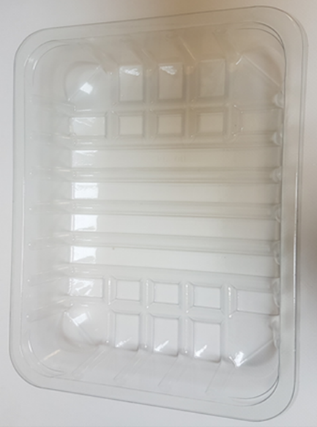 |  |  |  | 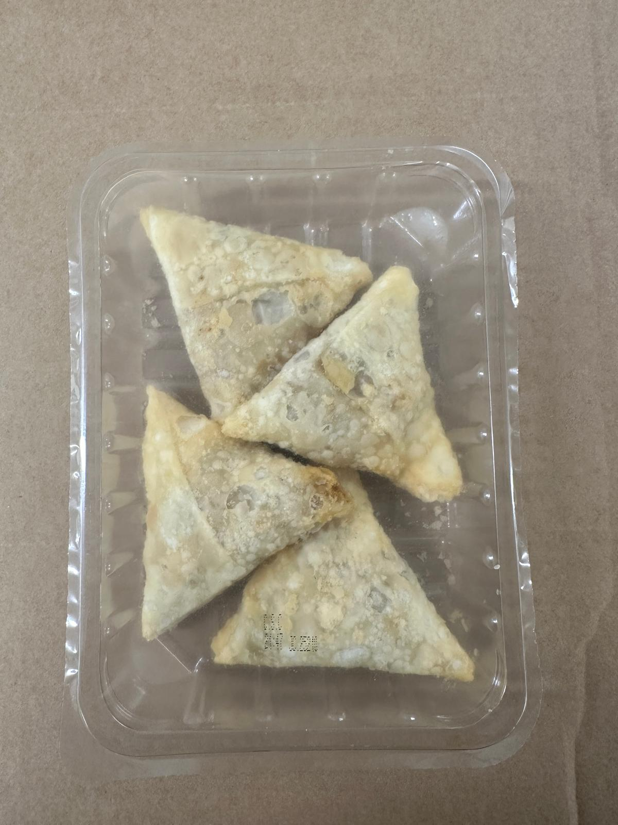

4 CHICKEN SAMOSA 40G - CHINA

Tray: SK4-Plain Clear (PKESSOO1-07) |  |  |  | Chicken Tikka Samosa 40g-(RMWEI002-01): 4 pieces |  |  |  |  | TOTAL WEIGHT 160g
Film: K-peel 7G+25A/f-275mm (PKKMP001-03)
ALLERGY ALERT: WHEAT, SOYA

